Black Footed Cat
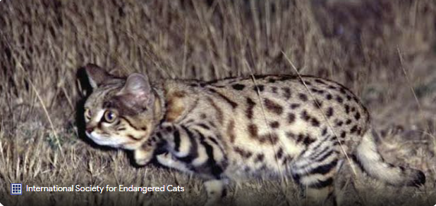
Black-footed cats are nocturnal hunters that are very successful and active. They are known as the "world's deadliest cat" because they are successful at catching prey 60% of the time. With that information, fill out the table below, showing both the individual and cumulative probability of successful catches. Once filled in, please create two well-labeled charts for both the probabilities (individual and cumulative).

Probability of success |  | p
Number of Trials |  | n

Successful Trials | Cumulative Probability | Individual Probability | Formula Reminders
0 | 0.6000 | 0.6000 | Number of successful trials | 7
1 | 0.9600 | 0.6000 | Total trials | 11
2 | 0.9984 | 0.4800 | Probability of success | 0.6
3 | 0.9999 | 0.4320 | Indiv OR Cumulative? | Cumulative
4 | 1.0000 | 0.3456
5 | 1.0000 | 0.2765
6 | 1.0000 | 0.2212
7 | 1.0000 | 0.1769
8 | 1.0000 | 0.1416
9 | 1.0000 | 0.1132
10 | 1.0000 | 0.0906
 | 0 | 1 | 2 | 3 | 4 | 5 | 6 | 7 | 8 | 9 | 10
Total | 0.6 | 0.6 | 0.48 | 0.432 | 0.3456 | 0.27648 | 0.221184 | 0.1769472 | 0.14155776 | 0.11324628 | 0.0905969664

 | Sum of Cumulative Probability | Sum of Individual Probability
0 | 0.6 | 0.6
1 | 0.96 | 0.6
2 | 0.9984 | 0.48
3 | 0.999936 | 0.432
4 | 0.99999808 | 0.3456
5 | 0.99999999683 | 0.27648
6 | 0.99999999955 | 0.221184
7 | 0.99999999989 | 0.1769472
8 | 0.99999999998 | 0.14155776
9 | 1 | 0.11324628
10 | 1 | 0.0905969664

 | 0 | 1 | 2 | 3 | 4 | 5 | 6 | 7 | 8 | 9 | 10
Total | 0.6 | 0.96 | 0.9984 | 0.999936 | 0.99999808 | 0.99999999683 | 0.99999999955 | 0.99999999989 | 0.99999999998 | 1 | 1

S & P 500
The mean year over year returns for the S&P 500 is 13.73% with a Standard Deviation of 18.51. Assuming that the S&P 500 return are on a normally distributed, fill out the below tables and move the red line in column D to display min and max z score. Then answer the question in row 34.

Heights of Player (cm) | Z-Score | % of years < then Return | % of years > then Return
-15 | -1.550 | 6.06% | 93.94% | Mean Return S&P (%) | 8.29
15 | 0.070 | 52.79% | 47.21% | Standard Deviation | 17.52

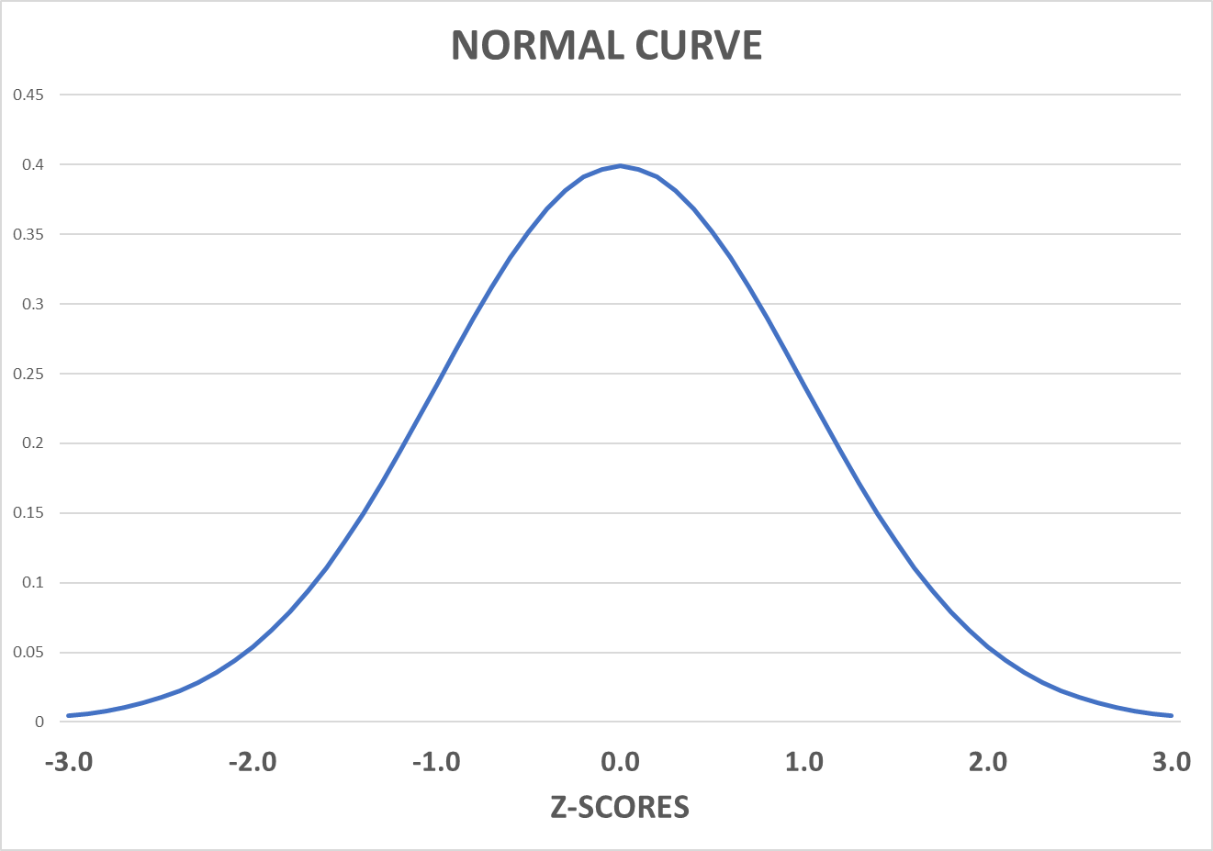

Percent of years outside this range | 46.73%
Percent of years inside this range | 53.27%

Assuming the S&P 500 is a good gauge of the overall market, if a hedge fund manager tells you that they get at least 25% return year over year and have done so 98% of the time - what you believe them off the bat?

A 25% annual return is exceptionally high, especially consistently. While some hedge fund managers might achieve such returns in a single year, sustaining that level of performance for a significant period (implied by "98% of the time") is statistically improbable and raises serious red flags (Preqin, n.d.). Even in bull markets, consistently beating the S&P 500 (which averages around 10-12% annually over the long term) by such a large margin is incredibly difficult. Hedge funds often employ complex strategies (leverage, derivatives, short-selling, etc.), but these strategies also carry substantial risk (Hayes, 2024). High returns usually come with high risk. If a hedge fund manager claims such high returns with low risk, it's highly suspect. There's no such thing as a free lunch in finance. The claim of achieving these returns "98% of the time" is particularly dubious. Market conditions change, strategies go in and out of favor, and unforeseen events (black swan events) can dramatically impact performance. No strategy works flawlessly nearly all the time (Team, 2024).

REFERENCES
Preqin. (n.d.). Preqin | Alternative Assets Data, Solutions and Insights. https://www.preqin.com/academy/lesson-3-hedge-funds/measuring-hedge-fund-returns#:~:text=Measuring%20Hedge%20Fund%20Performance,-Hedge%20fund%20managers&text=Cumulative%20performance%20is%20calculated%20as,three%20years%2C%20or%20five%20years.

Hayes, A. (2024, June 9). What is a bull market, and how can investors benefit from one? Investopedia. https://www.investopedia.com/terms/b/bullmarket.asp#:~:text=A%20bull%20market%20is%20a,to%20profit%20from%20bull%20markets.

Team, I. (2024, September 30). Black swan in the stock market: What is it, With examples and history. Investopedia. https://www.investopedia.com/terms/b/blackswan.asp#:~:text=Black%20swan%20events%20are%20extremely,they%20were%20obvious%20in%20hindsight.

